Sheet1
 | HOME PAGE
 | 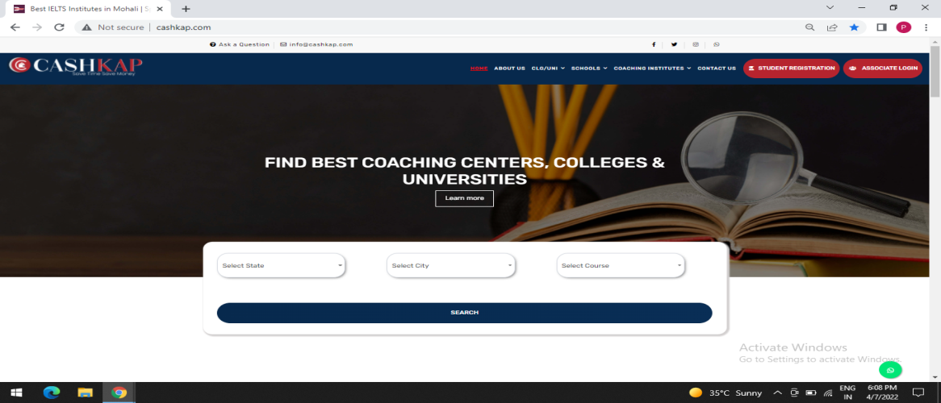
● | Study in any Coaching Institute , College ,University & Abroad through
 | Cashkap.com and get upto 20% cashback.

● | Cashkap.com facilitates admissions for the students in different
 | Coaching Institutes , Colleges/Universities & Schools.

● | Multiple Coaching Institutes at one place on Cashkap.com. You
 | can easily get admission in Coaching institutes, Colleges, Universities,Schools &
 | you can get upto 20% Cashback on your fee.

→ | Apply here & Get Cashback

● | Select the State , City where you want to Study.

● | Select Course you would like to do .

● | Select one of the educational institute from the options that is appeared in front of you.

● | Enter your details for Admission.

● | Compare Institutes Information ,Course & Fee details ,
 | Achievements from the comfort of your home and get enrolled
 | in the desired institute.

● | Get the OTP verification Code on mobile no. submitted by the student.

→ | Generate Discount Coupon

● | Go to the Institute you had selected before & Submit your Discount Coupon & Upload
 | your fee recipet .

● | Cashkap.com will give you 5% to 10% cashback according to your tuition fee.

● | Go to student login & apply on Cashkap.com

● | Fill your bank account details cashback will be sent directly on your account within seven
 | working days.

 | Select the State you want to study {select State}
 | Select the City you want to study {select City}
 | Select the Course of your choice to Study {Select Course}
 | 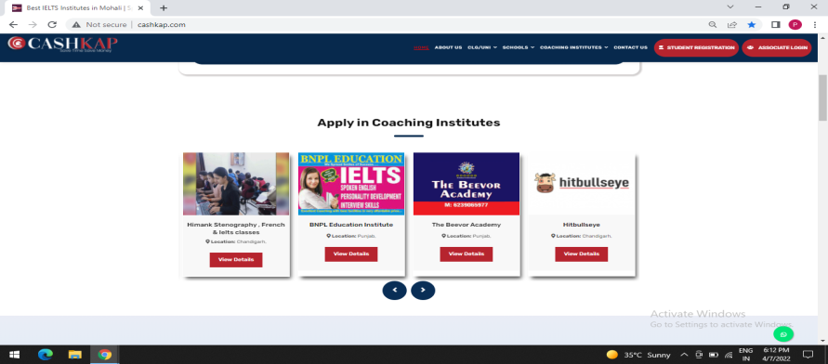
→ | Apply in Coaching Institute

● | Select the Coaching institute where you want to Study .
 | 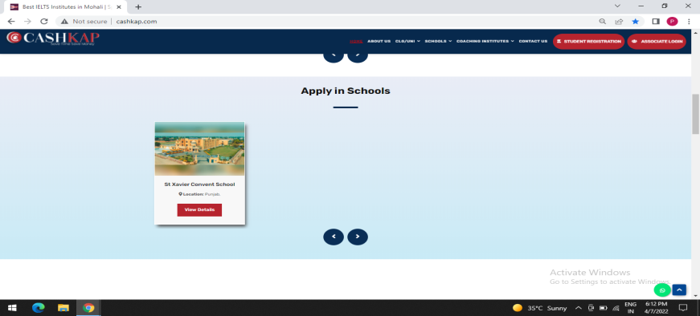
→ | Apply in School

● | Select schools for children's education.
 | 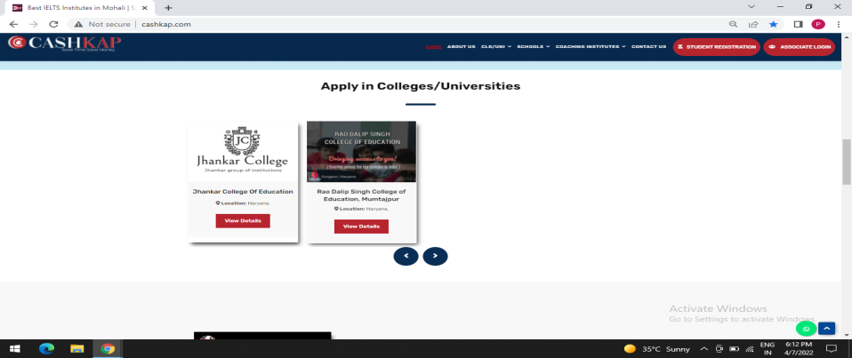
→ | Apply in College / Universities

● | Select any College / university.

 | ABOUT US
 | 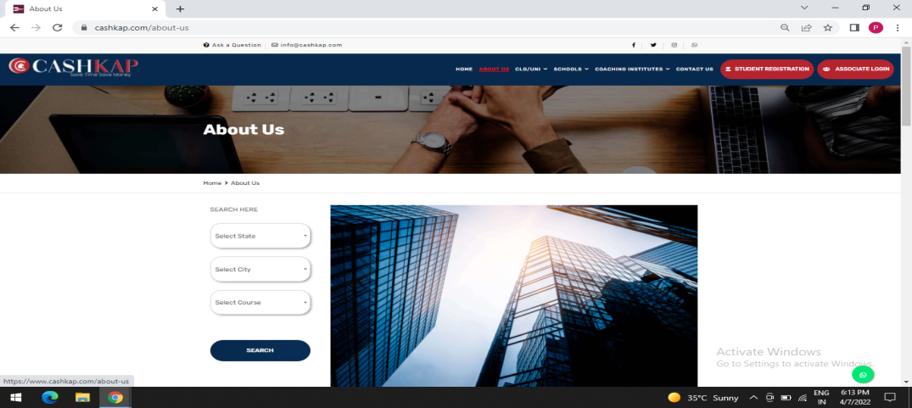
● | Get upto 20% Cashback on any Coaching institutes , Clg./Univ., Sch. & abroad study
 | through Cashkap.com .

● | On Cashkap.com students can easily get enrolled by comparing
 | Profiles of National & International Courses , Fee detalis of
 | various coaching institutes , Colleges ,Universities at one place.
 | You will get upto 20% Cashback .

 | Select the State you wanna study {select State}
 | Select the City you want to study {select City}
 | Select the Course of your choice to Study {Select Course}

 | COLLEGE / UNIVERSITIES

 | COLLEGES -
 | 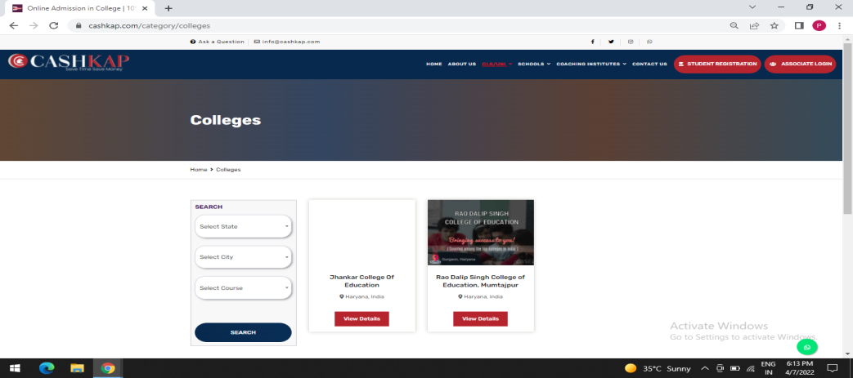
● | Select the State ,City and Course where you want to study.

● | Select the College and get upto 10% cashback on your fee.

 | UNIVERSITIES
 | 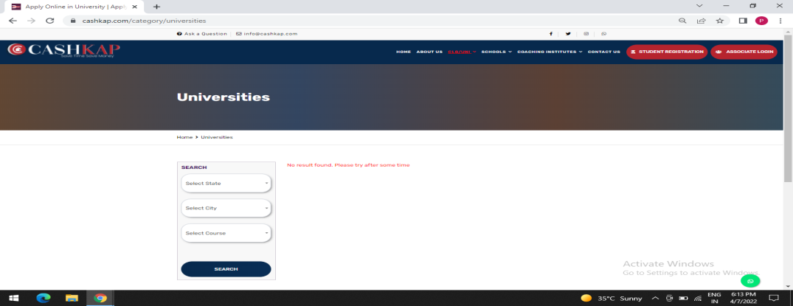
● | Select the State , City and Course where you want to study .

● | Select University and get 10% cashback on fee.

 | School
 | 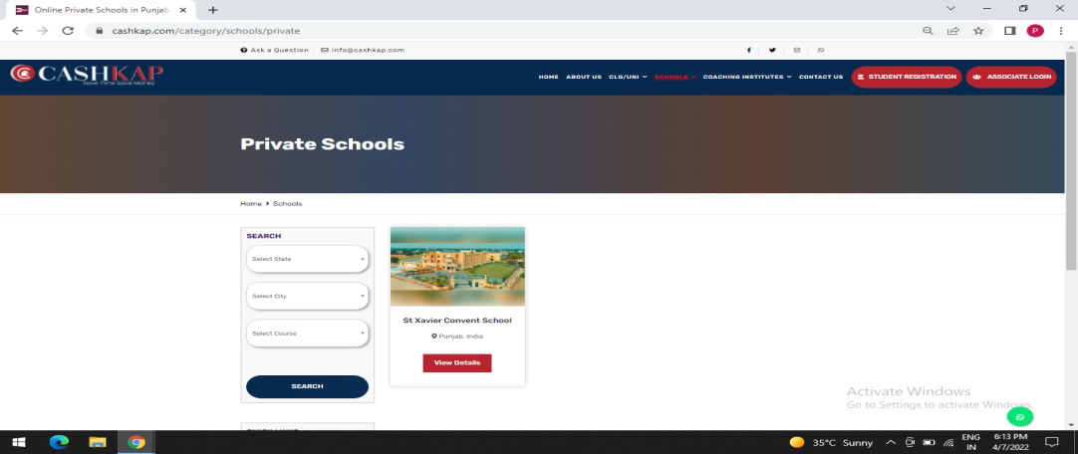
● | Parents select the state and city in which they want to get their
 | child Studied.

● | Select one of the class from the given options that apper in front of you.

● | Select the School from given options & get upto 10% cashback .

 | COACHING CENTER

 | IELTS Coaching Center
 | 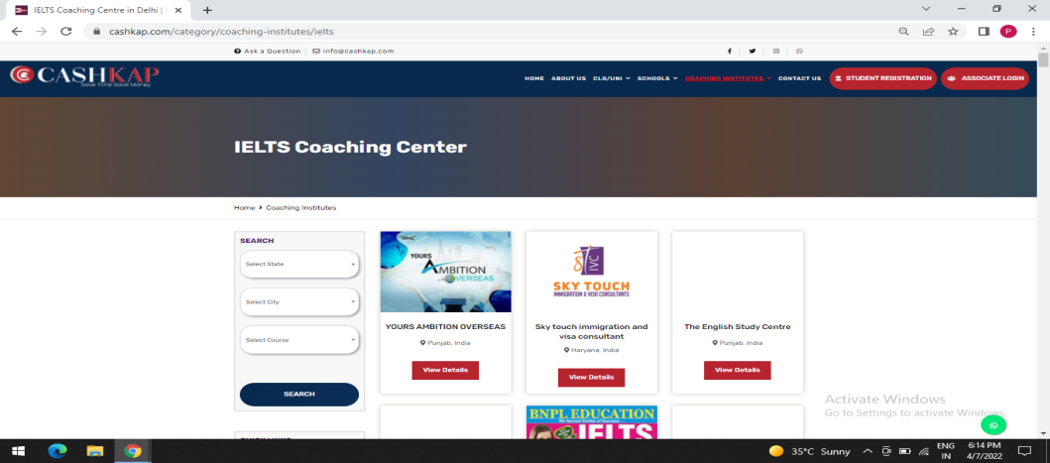
● | Select State , City & Course of your prefrence.

● | Select IELTS Institute & get upto 20% cashback on fees.

 | BANKING /SSC Coaching Center
 | 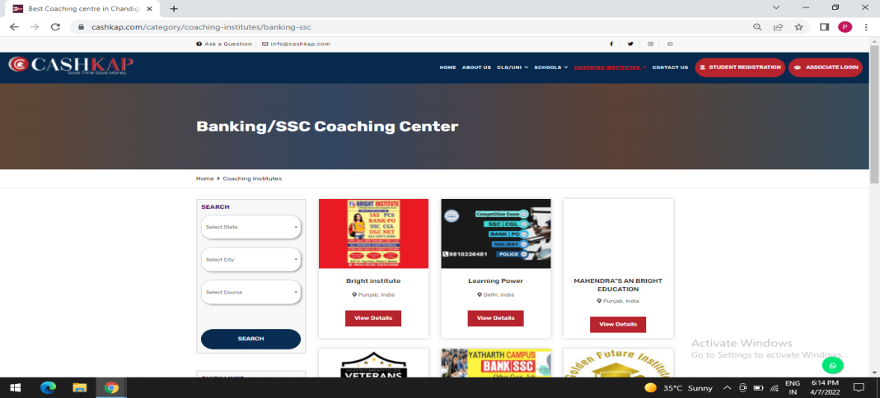

● | Select State ,City and Course of your Choice.

● | Select Banking / SSC Coaching Center & get upto 20% cashback
 | on fees.

 | IAS/IPS/PCS/HAS/HCS Coaching Institute
 | 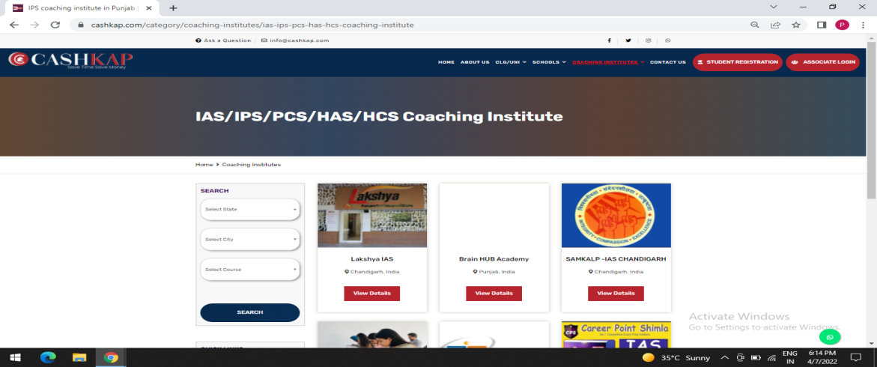
● | Select State , City & Course of your Prefrence.

● | Select IAS/IPS/PCS/HAS/HCS Coaching Institute and get upto 20%
 | cashback.

 | NDA/CDS/AFCAT Coaching Institute
 | 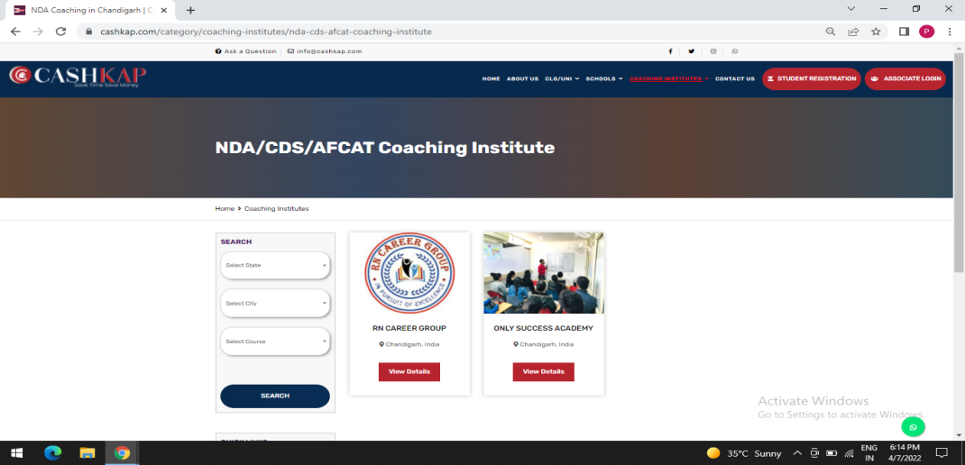

● | Select State ,City & Courses of your prefrence.

● | Select NDA/CDS/AFCAT Coaching Institute and get upto 20%
 | cashback on fees.

 | LAW Coaching Institute
 | 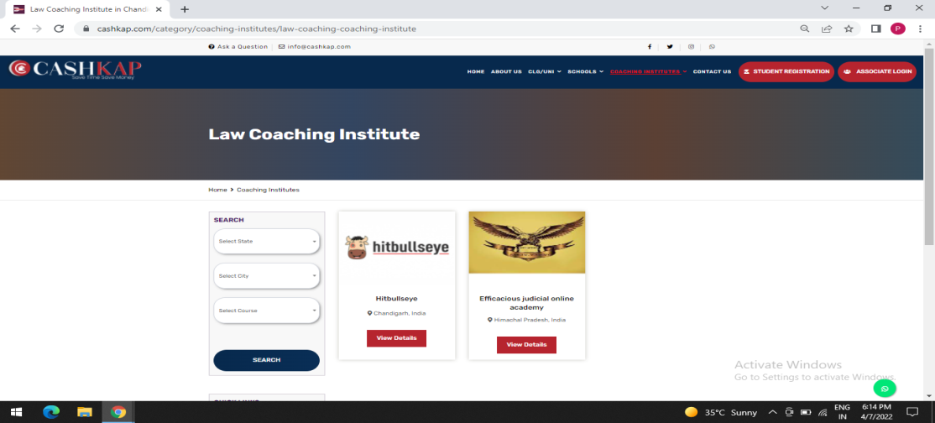

● | Select State,City & Course of your prefrence.

● | Select LAW Coaching Institute and get upto 20% cashback on fees.

 | UGC Net Coaching institute
 | 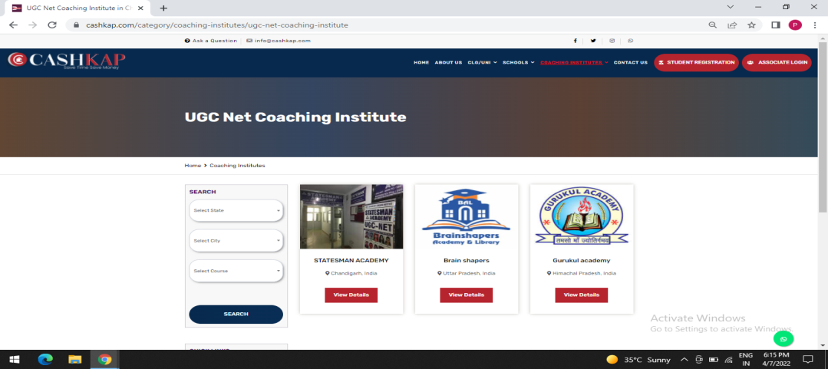

● | Select State,City & Course of your prefrence.

● | Select UGC Net Coaching Institute and get upto 20% cashback on fee.

 | CA/CPT/Coaching Institute
 | 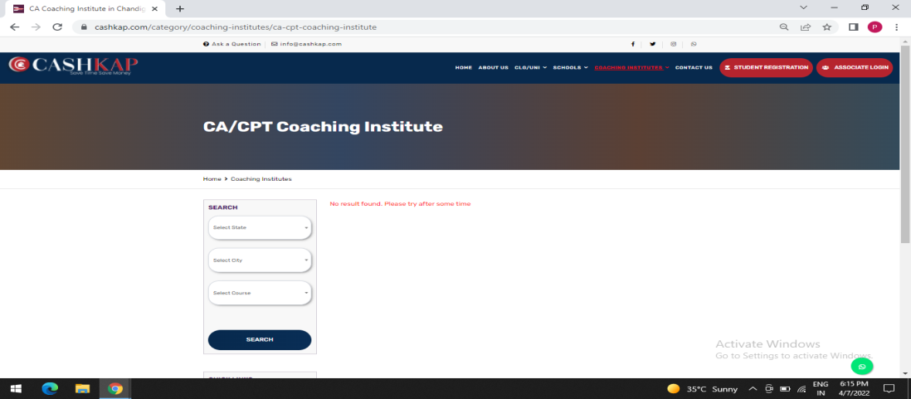

● | Select State,City & Course of your prefrence.

● | Select CA/CPT Coaching Institute and get upto 20% cashback on fees.

 | BEAUTY AND MAKEUP ACADEMY
 | 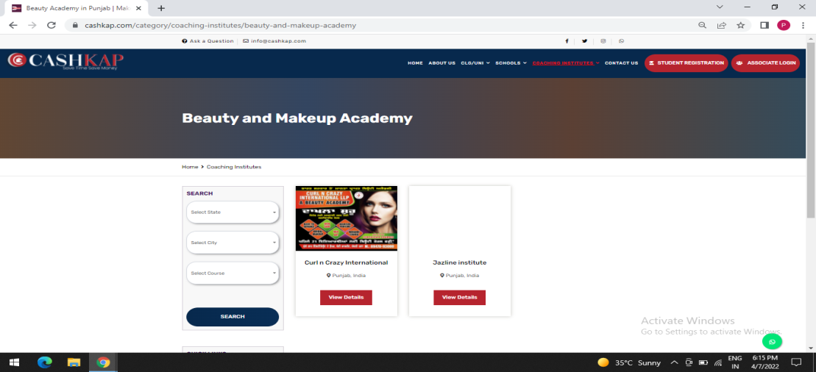

● | Select State,City & Course of your prefrence.

● | Select Beauty & Makeup Academy and get upto 20% cashback on fees.

 | COMPUTER COURSE
 | 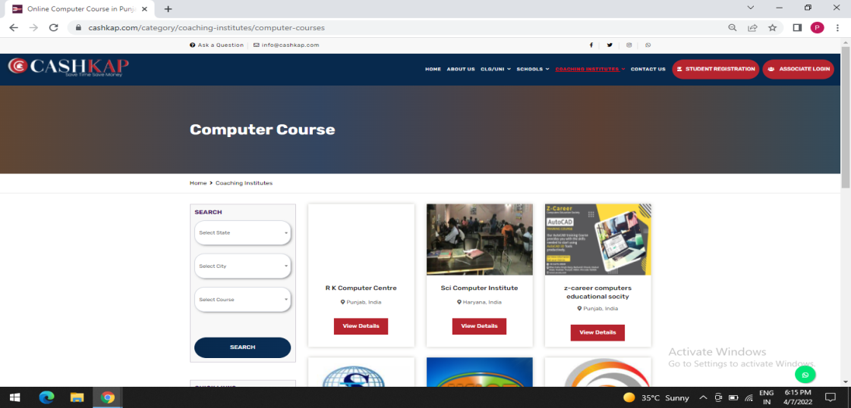

● | Select State,City & Course of your prefrence.

● | Select Computer Course Institute and get upto 20% cashback on fees.

 | DIGITAL MARKETING / WEB DEVELOPMENT
 | 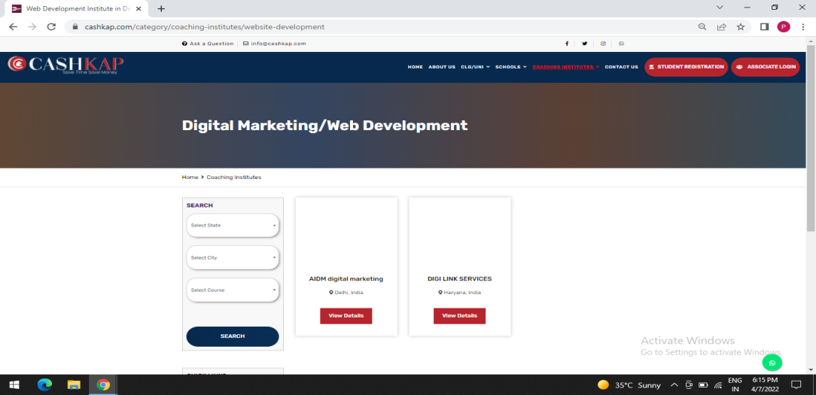

● | Select State,City & Course of your prefrence.

● | Select Digital Marketing / Web Development related institute and get
 | upto 20% cashback on fee.

 | HEALTH COURSES
 | 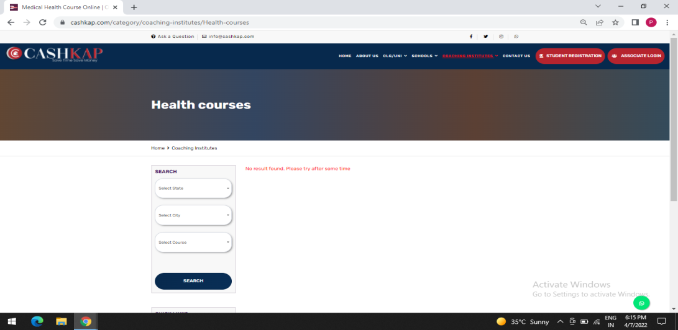

● | Select State,City & Course of your prefrence.

● | Select Health Related courses which you want to do and get upto 20%
 | cashback on fee.

 | STUDENT REGISTRATION
 | 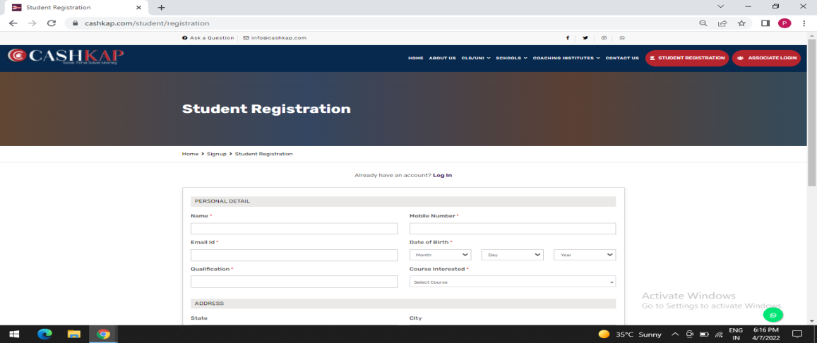

● | Fill the required information .

● | Select the Course you want to Study.

● | Create Username & Password.

● | Press submit button.

 | OTP VERIFICATION

● | Get the OTP verification Code submitted from the mobile number
 | entered by the you.

● | Cashkap discount count coupon will be sent on your registered mobile
 | number on Cashkap.com .

 | DISCOUNT COUPON PAGE

● | The cashback discount coupon should be submitted along with the fee
 | while taking admission in the respective institute.

● | Upload the paid fee slip for the cashback by going to the student login
 | account on cashkap.com and get the cashback.

 | AFTER FILLED FORM PAGES
 | COACHING INSTITUTES

 | IELTS

● | The students can view the information , courses and fee details ,
 | facilitation , achievements of the institute which he/she has selected.

● | ←BACK BY clicking on the back button ,you can compare the course
 | details , fees & facility scores of other IELTS institutes and can take admission
 | by selecting the best institute for you and get upto 20% cashback
 | coupon .

 | BANKING /SSC COACHING CENTER

● | Students can view information on course , fee details , facilitation ,
 | achievements of the BANKING /SSC Coaching Institutes set by them .

● | ←BACK BY clicking on the back button , you can compare the course details,
 | fees & facilitation scores of other Banking /SSC Coaching institutes and can take
 | admission by selecting the best institute for you and get upto 20% cashback
 | on your fee.

 | IAS/IPS/PCS/HAS/HCS COACHING INSTITUTE

● | The students can view the information , courses and fee details ,
 | facilitation , achievements of the institute which he/she has selected.

● | ←BACK BY clicking on the back button ,you can compare the course
 | details , fees & facility scores of other IAS/IPS/PCS/HAS/HCS Coaching
 | institutes and can take admission by selecting the best institute for you and
 | get upto 20% cashback .

 | NDA/CDS/AFCAT COACHING INSTITUTE
● | Students can view information on course , fee details , facilitation ,
 | achievements of the NDA/CDS/AFCAT Coaching Institutes set by them .

● | ←BACK BY clicking on the back button , you can compare the course details,
 | fees & facilitation scores of other NDA/CDS/AFCAT Coaching institutes and can take
 | admission by selecting the best institute for you and get upto 20% cashback
 | on your fee.

 | LAW COACHING INSTITUTE

● | The students can view the information , courses and fee details ,
 | facilitation , achievements of the institute which he/she has selected.

● | ←BACK BY clicking on the back button ,you can compare the course
 | details , fees & facility scores of other LAW Coaching institutes
 | and can take admission by selecting the best institute for you and
 | get upto 20% cashback .

 | UGC NET COACHING INSTITUTE

● | Students can view information on course , fee details , facilitation ,
 | achievements of the UGC Net Coaching Institutes set by them .

● | ←BACK BY clicking on the back button , you can compare the course details,
 | fees & facilitation scores of other UGC Net Coaching institutes and can take
 | admission by selecting the best institute for you and get upto 20% cashback
 | on your fee.

 | CA/CPT COACHING INSTITUTE

● | The students can view the information , courses and fee details ,
 | facilitation , achievements of the institute which he/she has selected.

● | ←BACK BY clicking on the back button ,you can compare the course
 | details , fees & facility scores of other CA/CPT Coaching institutes
 | and can take admission by selecting the best institute for you and
 | get upto 20% cashback .

 | BEAUTY & MAKEUP ACADEMY

● | Students can view information on course , fee details , facilitation ,
 | achievements of the Beauty & Makeup Academy set by them .

● | ←BACK BY clicking on the back button , you can compare the course details,
 | fees & facilitation scores of other Beauty & Makeup academies and can take
 | admission by selecting the best institute for you and get upto 20% cashback
 | on your fee.

 | COMPUTER COURSE

● | The students can view the information , courses and fee details ,
 | facilitation , achievements of the institute which he/she has selected.

● | ←BACK BY clicking on the back button ,you can compare the course
 | details , fees & facility scores of other Computer Course Institutes
 | and can take admission by selecting the best Computer course institute for you and
 | get upto 20% cashback .

 | DIGITAL MARKETING / WEB DEVELOPMENT

● | Students can view information on course , fee details , facilitation ,
 | achievements of the Digital marketing/Web development institute set by them .

● | ←BACK BY clicking on the back button , you can compare the course details,
 | fees & facilitation scores of other Digital marketing/Web development institute and can
 | take admission by selecting the best institute for you and get upto 20% cashback
 | coupon .

 | HEALTH COURSES

● | The students can view the information , courses and fee details ,
 | facilitation , achievements of the institute which he/she has selected.

● | ←BACK BY clicking on the back button ,you can compare the course
 | details , fees & facility scores of other Health Institutes and can take
 | admission by selecting the best Computer course institute for you and
 | get upto 20% cashback .

